LogsPetrelEscalaMRef_Original
IMPORTANT NOTE: Log data, porosity (F) and horizontal permeability (kh), were displayed into the UNISIM-I vertical grid resolution. In practice, it was examined each individual wells to verify the 3-D model is fine enought vertically to preserve the observed geological layering and capture the main vertical heterogeneties. In addition, it was assumed that the well logging is performed only vertically as illustrated in Figure 1.

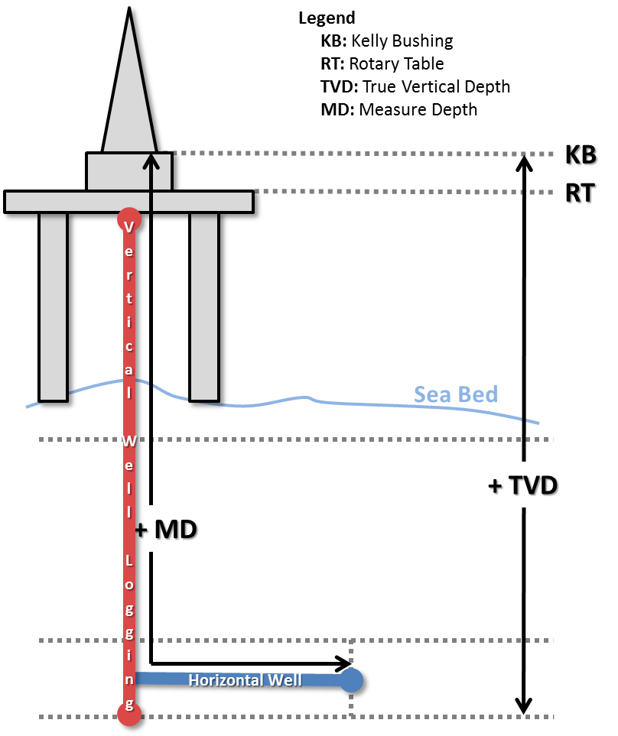

Figure 1: Well project illustration of a vertical (red) and horizontal (blue) with the used annotation.

Table 1: Well log information of the vertical wells: NA1A, NA2, NA3D and RJS19.
Well | TVD (m) | F | kh (md) | Well | TVD (m) | F | kh (md) | Well | TVD (m) | F | kh (md) | Well | TVD (m) | F | kh (md)
N A 1 A | 2982.6 | 0.00 | 0.10 | N A 2 | 3033.9 | 0.22 | 105.30 | N A 3 D | 3179.6 | 0.14 | 9.11 | R J S 1 9 | 2982.6 | 0.00 | 0.10
 | 2983.6 | 0.00 | 0.10 |  | 3034.9 | 0.22 | 105.30 |  | 3180.7 | 0.14 | 9.11 |  | 2983.6 | 0.00 | 0.10
 | 2983.6 | 0.00 | 0.10 |  | 3034.9 | 0.21 | 70.80 |  | 3180.7 | 0.09 | 1.96 |  | 2983.6 | 0.00 | 0.10
 | 2984.6 | 0.00 | 0.10 |  | 3035.9 | 0.21 | 70.80 |  | 3181.9 | 0.09 | 1.96 |  | 2984.6 | 0.00 | 0.10
 | 2984.6 | 0.00 | 0.10 |  | 3035.9 | 0.22 | 99.88 |  | 3181.9 | 0.14 | 8.61 |  | 2984.6 | 0.00 | 0.10
 | 2985.6 | 0.00 | 0.10 |  | 3036.9 | 0.22 | 99.88 |  | 3183.0 | 0.14 | 8.61 |  | 2985.6 | 0.00 | 0.10
 | 2985.6 | 0.00 | 0.10 |  | 3036.9 | 0.18 | 24.54 |  | 3183.0 | 0.20 | 44.95 |  | 2985.6 | 0.00 | 0.10
 | 2986.6 | 0.00 | 0.10 |  | 3037.9 | 0.18 | 24.54 |  | 3184.2 | 0.20 | 44.95 |  | 2986.6 | 0.00 | 0.10
 | 2986.6 | 0.00 | 0.10 |  | 3037.9 | 0.27 | 498.47 |  | 3184.2 | 0.25 | 223.37 |  | 2986.6 | 0.00 | 0.10
 | 2987.6 | 0.00 | 0.10 |  | 3038.9 | 0.27 | 498.47 |  | 3185.3 | 0.25 | 223.37 |  | 2987.6 | 0.00 | 0.10
 | 2987.6 | 0.18 | 26.23 |  | 3038.9 | 0.30 | 1096.91 |  | 3185.3 | 0.24 | 158.07 |  | 2987.6 | 0.18 | 26.23
 | 2988.6 | 0.18 | 26.23 |  | 3039.9 | 0.30 | 1096.91 |  | 3186.4 | 0.24 | 158.07 |  | 2988.6 | 0.18 | 26.23
 | 2988.6 | 0.26 | 354.55 |  | 3040.0 | 0.29 | 917.17 |  | 3186.4 | 0.21 | 68.50 |  | 2988.6 | 0.26 | 354.55
 | 2989.6 | 0.26 | 354.55 |  | 3041.0 | 0.29 | 917.17 |  | 3187.6 | 0.21 | 68.50 |  | 2989.6 | 0.26 | 354.55
 | 2989.6 | 0.27 | 463.85 |  | 3041.0 | 0.29 | 809.81 |  | 3187.6 | 0.18 | 28.08 |  | 2989.6 | 0.27 | 463.85
 | 2990.6 | 0.27 | 463.85 |  | 3042.0 | 0.29 | 809.81 |  | 3188.7 | 0.18 | 28.08 |  | 2990.6 | 0.27 | 463.85
 | 2990.6 | 0.26 | 342.70 |  | 3042.0 | 0.29 | 823.37 |  | 3188.7 | 0.20 | 45.77 |  | 2990.6 | 0.26 | 342.70
 | 2991.6 | 0.26 | 342.70 |  | 3043.0 | 0.29 | 823.37 |  | 3189.8 | 0.20 | 45.77 |  | 2991.6 | 0.26 | 342.70
 | 2991.6 | 0.26 | 299.92 |  | 3043.0 | 0.28 | 560.62 |  | 3189.8 | 0.25 | 223.11 |  | 2991.6 | 0.26 | 299.92
 | 2992.6 | 0.26 | 299.92 |  | 3044.0 | 0.28 | 560.62 |  | 3191.0 | 0.25 | 223.11 |  | 2992.6 | 0.26 | 299.92
 | 2992.6 | 0.25 | 228.43 |  | 3044.0 | 0.27 | 501.93 |  | 3191.0 | 0.03 | 0.25 |  | 2992.6 | 0.25 | 228.43
 | 2993.6 | 0.25 | 228.43 |  | 3045.0 | 0.27 | 501.93 |  | 3192.1 | 0.03 | 0.25 |  | 2993.6 | 0.25 | 228.43
 | 2993.6 | 0.24 | 182.49 |  | 3045.0 | 0.23 | 147.33 |  | 3192.1 | 0.00 | 0.10 |  | 2993.6 | 0.24 | 182.49
 | 2994.6 | 0.24 | 182.49 |  | 3046.0 | 0.23 | 147.33 |  | 3193.3 | 0.00 | 0.10 |  | 2994.6 | 0.24 | 182.49
 | 2994.6 | 0.25 | 209.42 |  | 3046.0 | 0.24 | 159.38 |  | 3193.3 | 0.18 | 24.52 |  | 2994.6 | 0.25 | 209.42
 | 2995.6 | 0.25 | 209.42 |  | 3047.0 | 0.24 | 159.38 |  | 3194.4 | 0.18 | 24.52 |  | 2995.6 | 0.25 | 209.42
 | 2995.6 | 0.25 | 281.31 |  | 3047.0 | 0.27 | 389.28 |  | 3194.4 | 0.09 | 1.74 |  | 2995.6 | 0.25 | 281.31
 | 2996.6 | 0.25 | 281.31 |  | 3048.0 | 0.27 | 389.28 |  | 3195.5 | 0.09 | 1.74 |  | 2996.6 | 0.25 | 281.31
 | 2996.6 | 0.22 | 106.49 |  | 3048.0 | 0.26 | 351.03 |  | 3195.5 | 0.01 | 0.13 |  | 2996.6 | 0.22 | 106.49
 | 2997.6 | 0.22 | 106.49 |  | 3049.0 | 0.26 | 351.03 |  | 3196.7 | 0.01 | 0.13 |  | 2997.6 | 0.22 | 106.49
N A 1 A | 2997.6 | 0.26 | 320.25 | N A 2 | 3049.0 | 0.26 | 318.05 | N A 3 D | 3196.7 | 0.01 | 0.15 | R J S 1 9 | 2997.6 | 0.26 | 320.25
 | 2998.6 | 0.26 | 320.25 |  | 3050.0 | 0.26 | 318.05 |  | 3197.8 | 0.01 | 0.15 |  | 2998.6 | 0.26 | 320.25
 | 2998.6 | 0.25 | 239.60 |  | 3050.0 | 0.26 | 321.44 |  | 3197.8 | 0.00 | 0.10 |  | 2998.6 | 0.25 | 239.60
 | 2999.6 | 0.25 | 239.60 |  | 3051.0 | 0.26 | 321.44 |  | 3198.7 | 0.00 | 0.10 |  | 2999.6 | 0.25 | 239.60
 | 2999.6 | 0.25 | 272.78 |  | 3051.0 | 0.26 | 348.40 |  | 3198.7 | 0.00 | 0.10 |  | 2999.6 | 0.25 | 272.78
 | 3000.6 | 0.25 | 272.78 |  | 3052.0 | 0.26 | 348.40 |  | 3199.0 | 0.00 | 0.10 |  | 3000.6 | 0.25 | 272.78
 | 3000.6 | 0.24 | 167.97 |  | 3052.0 | 0.25 | 244.29 |  | 3199.0 | 0.00 | 0.10 |  | 3000.6 | 0.24 | 167.97
 | 3001.6 | 0.24 | 167.97 |  | 3053.0 | 0.25 | 244.29 |  | 3200.1 | 0.00 | 0.10 |  | 3001.6 | 0.24 | 167.97
 | 3001.6 | 0.24 | 162.70 |  | 3053.0 | 0.27 | 390.05 |  | 3200.1 | 0.00 | 0.10 |  | 3001.6 | 0.24 | 162.70
 | 3002.6 | 0.24 | 162.70 |  | 3054.0 | 0.27 | 390.05 |  | 3201.2 | 0.00 | 0.10 |  | 3002.6 | 0.24 | 162.70
 | 3002.6 | 0.24 | 155.35 |  | 3054.0 | 0.28 | 527.59 |  | 3201.2 | 0.00 | 0.10 |  | 3002.6 | 0.24 | 155.35
 | 3003.6 | 0.24 | 155.35 |  | 3055.0 | 0.28 | 527.59 |  | 3202.4 | 0.00 | 0.10 |  | 3003.6 | 0.24 | 155.35
 | 3003.6 | 0.24 | 168.48 |  | 3055.0 | 0.26 | 385.65 |  | 3202.4 | 0.00 | 0.10 |  | 3003.6 | 0.24 | 168.48
 | 3004.2 | 0.24 | 168.48 |  | 3056.0 | 0.26 | 385.65 |  | 3203.5 | 0.00 | 0.10 |  | 3004.2 | 0.24 | 168.48
 | 3004.2 | 0.23 | 134.82 |  | 3056.0 | 0.13 | 6.07 |  | 3203.5 | 0.00 | 0.10 |  | 3004.2 | 0.23 | 134.82
 | 3005.2 | 0.23 | 134.82 |  | 3057.0 | 0.13 | 6.07 |  | 3204.6 | 0.00 | 0.10 |  | 3005.2 | 0.23 | 134.82
 | 3005.2 | 0.22 | 109.25 |  | 3057.0 | 0.00 | 0.10 |  | 3204.6 | 0.16 | 13.45 |  | 3005.2 | 0.22 | 109.25
 | 3006.2 | 0.22 | 109.25 |  | 3057.9 | 0.00 | 0.10 |  | 3205.8 | 0.16 | 13.45 |  | 3006.2 | 0.22 | 109.25
 | 3006.2 | 0.24 | 173.31 |  | 3057.9 | 0.27 | 469.20 |  | 3205.8 | 0.12 | 4.99 |  | 3006.2 | 0.24 | 173.31
 | 3007.2 | 0.24 | 173.31 |  | 3058.0 | 0.27 | 469.20 |  | 3206.9 | 0.12 | 4.99 |  | 3007.2 | 0.24 | 173.31
 | 3007.2 | 0.25 | 219.41 |  | 3058.0 | 0.30 | 1157.79 |  | 3206.9 | 0.23 | 127.35 |  | 3007.2 | 0.25 | 219.41
 | 3008.2 | 0.25 | 219.41 |  | 3059.0 | 0.30 | 1157.79 |  | 3208.0 | 0.23 | 127.35 |  | 3008.2 | 0.25 | 219.41
 | 3008.2 | 0.26 | 297.03 |  | 3059.0 | 0.27 | 476.27 |  | 3208.0 | 0.25 | 252.56 |  | 3008.2 | 0.26 | 297.03
 | 3009.2 | 0.26 | 297.03 |  | 3060.0 | 0.27 | 476.27 |  | 3208.5 | 0.25 | 252.56 |  | 3009.2 | 0.26 | 297.03
 | 3009.2 | 0.24 | 167.18 |  | 3060.0 | 0.19 | 32.57 |  | 3208.5 | 0.30 | 1220.04 |  | 3009.2 | 0.24 | 167.18
 | 3010.2 | 0.24 | 167.18 |  | 3061.0 | 0.19 | 32.57 |  | 3209.6 | 0.30 | 1220.04 |  | 3010.2 | 0.24 | 167.18
 | 3010.2 | 0.26 | 303.54 |  | 3061.0 | 0.24 | 156.36 |  | 3209.6 | 0.29 | 724.20 |  | 3010.2 | 0.26 | 303.54
 | 3011.2 | 0.26 | 303.54 |  | 3062.0 | 0.24 | 156.36 |  | 3210.7 | 0.29 | 724.20 |  | 3011.2 | 0.26 | 303.54
 | 3011.2 | 0.23 | 113.73 |  | 3062.0 | 0.30 | 1113.20 |  | 3210.7 | 0.28 | 652.78 |  | 3011.2 | 0.23 | 113.73
 | 3012.2 | 0.23 | 113.73 |  | 3063.0 | 0.30 | 1113.20 |  | 3211.8 | 0.28 | 652.78 |  | 3012.2 | 0.23 | 113.73
 | 3012.2 | 0.05 | 0.51 |  | 3063.1 | 0.23 | 132.11 |  | 3211.8 | 0.25 | 214.25 |  | 3012.2 | 0.05 | 0.51
 | 3013.2 | 0.05 | 0.51 |  | 3064.1 | 0.23 | 132.11 |  | 3213.0 | 0.25 | 214.25 |  | 3013.2 | 0.05 | 0.51
 | 3013.2 | 0.07 | 0.99 |  | 3064.1 | 0.18 | 28.41 |  | 3213.0 | 0.26 | 322.47 |  | 3013.2 | 0.07 | 0.99
N A 1 A | 3014.2 | 0.07 | 0.99 | N A 2 | 3065.1 | 0.18 | 28.41 | N A 3 D | 3214.1 | 0.26 | 322.47 | R J S 1 9 | 3014.2 | 0.07 | 0.99
 | 3014.2 | 0.19 | 37.55 |  | 3065.1 | 0.23 | 119.37 |  | 3214.1 | 0.25 | 232.49 |  | 3014.2 | 0.19 | 37.55
 | 3015.2 | 0.19 | 37.55 |  | 3066.1 | 0.23 | 119.37 |  | 3215.2 | 0.25 | 232.49 |  | 3015.2 | 0.19 | 37.55
 | 3015.2 | 0.21 | 63.05 |  | 3066.1 | 0.25 | 220.11 |  | 3215.2 | 0.26 | 336.17 |  | 3015.2 | 0.21 | 63.05
 | 3016.2 | 0.21 | 63.05 |  | 3067.1 | 0.25 | 220.11 |  | 3216.3 | 0.26 | 336.17 |  | 3016.2 | 0.21 | 63.05
 | 3016.2 | 0.13 | 5.91 |  | 3067.1 | 0.24 | 200.04 |  | 3216.3 | 0.29 | 725.61 |  | 3016.2 | 0.13 | 5.91
 | 3017.2 | 0.13 | 5.91 |  | 3068.1 | 0.24 | 200.04 |  | 3217.4 | 0.29 | 725.61 |  | 3017.2 | 0.13 | 5.91
 | 3017.2 | 0.20 | 59.76 |  | 3068.1 | 0.20 | 59.54 |  | 3217.4 | 0.26 | 383.79 |  | 3017.2 | 0.20 | 59.76
 | 3018.2 | 0.20 | 59.76 |  | 3069.1 | 0.20 | 59.54 |  | 3218.5 | 0.26 | 383.79 |  | 3018.2 | 0.20 | 59.76
 | 3018.2 | 0.22 | 85.77 |  | 3069.1 | 0.18 | 24.61 |  | 3218.5 | 0.25 | 274.95 |  | 3018.2 | 0.22 | 85.77
 | 3019.2 | 0.22 | 85.77 |  | 3070.1 | 0.18 | 24.61 |  | 3219.6 | 0.25 | 274.95 |  | 3019.2 | 0.22 | 85.77
 | 3019.2 | 0.26 | 296.71 |  | 3070.1 | 0.20 | 48.95 |  | 3219.6 | 0.27 | 397.58 |  | 3019.2 | 0.26 | 296.71
 | 3020.2 | 0.26 | 296.71 |  | 3071.1 | 0.20 | 48.95 |  | 3220.7 | 0.27 | 397.58 |  | 3020.2 | 0.26 | 296.71
 | 3020.2 | 0.21 | 64.63 |  | 3071.1 | 0.23 | 136.76 |  | 3220.7 | 0.00 | 0.10 |  | 3020.2 | 0.21 | 64.63
 | 3021.2 | 0.21 | 64.63 |  | 3072.1 | 0.23 | 136.76 |  | 3221.8 | 0.00 | 0.10 |  | 3021.2 | 0.21 | 64.63
 | 3021.2 | 0.18 | 26.41 |  | 3072.1 | 0.09 | 1.99 |  | 3221.8 | 0.22 | 88.83 |  | 3021.2 | 0.18 | 26.41
 | 3022.2 | 0.18 | 26.41 |  | 3073.1 | 0.09 | 1.99 |  | 3222.9 | 0.22 | 88.83 |  | 3022.2 | 0.18 | 26.41
 | 3022.2 | 0.20 | 51.91 |  | 3073.1 | 0.00 | 0.10 |  | 3222.9 | 0.24 | 179.87 |  | 3022.2 | 0.20 | 51.91
 | 3023.2 | 0.20 | 51.91 |  | 3074.1 | 0.00 | 0.10 |  | 3224.0 | 0.24 | 179.87 |  | 3023.2 | 0.20 | 51.91
 | 3023.2 | 0.24 | 153.18 |  | 3074.1 | 0.09 | 1.70 |  | 3224.1 | 0.00 | 0.10 |  | 3023.2 | 0.24 | 153.18
 | 3024.2 | 0.24 | 153.18 |  | 3075.1 | 0.09 | 1.70 |  | 3225.2 | 0.00 | 0.10 |  | 3024.2 | 0.24 | 153.18
 | 3024.2 | 0.19 | 40.62 |  | 3075.1 | 0.05 | 0.55 |  | 3225.2 | 0.00 | 0.10 |  | 3024.2 | 0.19 | 40.62
 | 3025.2 | 0.19 | 40.62 |  | 3076.1 | 0.05 | 0.55 |  | 3226.3 | 0.00 | 0.10 |  | 3025.2 | 0.19 | 40.62
 | 3025.2 | 0.00 | 0.10 |  | 3076.1 | 0.00 | 0.10 |  | 3226.3 | 0.25 | 240.18 |  | 3025.2 | 0.00 | 0.10
 | 3026.2 | 0.00 | 0.10 |  | 3077.1 | 0.00 | 0.10 |  | 3227.4 | 0.25 | 240.18 |  | 3026.2 | 0.00 | 0.10
 | 3026.2 | 0.23 | 123.38 |  | 3077.1 | 0.00 | 0.10 |  | 3227.4 | 0.00 | 0.10 |  | 3026.2 | 0.23 | 123.38
 | 3027.2 | 0.23 | 123.38 |  | 3078.1 | 0.00 | 0.10 |  | 3228.5 | 0.00 | 0.10 |  | 3027.2 | 0.23 | 123.38
 | 3027.2 | 0.09 | 1.75 |  | 3078.1 | 0.06 | 0.77 |  | 3228.5 | 0.27 | 515.91 |  | 3027.2 | 0.09 | 1.75
 | 3028.2 | 0.09 | 1.75 |  | 3079.1 | 0.06 | 0.77 |  | 3229.6 | 0.27 | 515.91 |  | 3028.2 | 0.09 | 1.75
 | 3028.2 | 0.00 | 0.10 |  | 3079.1 | 0.00 | 0.10 |  | 3229.6 | 0.24 | 176.42 |  | 3028.2 | 0.00 | 0.10
 | 3029.2 | 0.00 | 0.10 |  | 3080.1 | 0.00 | 0.10 |  | 3230.7 | 0.24 | 176.42 |  | 3029.2 | 0.00 | 0.10
 | 3029.2 | 0.00 | 0.10 |  | 3080.1 | 0.25 | 211.35 |  | 3230.7 | 0.26 | 317.43 |  | 3029.2 | 0.00 | 0.10
 | 3030.2 | 0.00 | 0.10 |  | 3081.1 | 0.25 | 211.35 |  | 3231.8 | 0.26 | 317.43 |  | 3030.2 | 0.00 | 0.10
...

